Mortgage
Fixed-rate Mortgage (with payments at the end of the period) |  | Original Values
Loan amount | 260,000 € | Loan amount | 260,000 €
Fixed Int. Rate | 2.91% | Fixed Int. Rate | 3.25%
Period (years) | 10 | Period (years) | 10

Monthly Installment | -2,500 € | Monthly Installment | -2,541 €
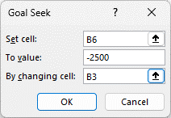
Mortgage signing date | 2025-04-01
Date of last payment | 2035-03-31

Investment
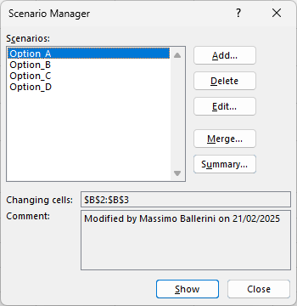
Savings plan (with payments at the end of the period)
Interests Rate | 2.35%
Period (years) | 10
Monthly Installment | -2,500.00 €
Future Value | 337,810.37 €
Interests | 37,810.37 €

 | Interests Rate | Period (years) | Month. Install.
Option A | 2.50% | 15 | -
Option B | 2.15% | 5 | -
Option C | - | - | -1,800.00 €
Option D | 2.50% | 15 | -1,800.00 €

